Dala Sales & Deliveries
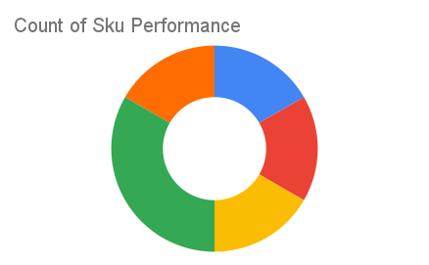
Total Invoices Delivered | 14.00 | Sku Performance | Units | Value
Unique Locations Supplied | 13.00 | 500g Grandios Brown Pap (20x) | 9.00 | 288,000.00
Total Value of orders | 880,000.00 | 500g Grandios White Pap (20x) | 8.50 | 272,000.00
 |  | 500g Grandios Yellow Pap (20x) | 10.00 | 320,000.00
 |  | 50g Grandios Brown Pap (120x) | 0.00 | 0.00
 |  | 50g Grandios Yellow Pap (120x) | 0.00 | 0.00
 |  | 50g Grandios Brown Pap (120x) | 0.00 | 0.00
 |  |  | 0.00 | 0.00
 |  |  | 0.00 | 0.00
 |  |  | 0.00 | 0.00
 |  |  | 0.00 | 0.00
 |  |  | 0.00 | 0.00
 |  |  | 0.00 | 0.00

